Table
Source: | http://www.citybridgetrust.org.uk/NR/rdonlyres/88EB9E9A-8E23-4610-A4C3-833DFB30DD21/0/8201CBTAnnualreview_AW_lores.pdf

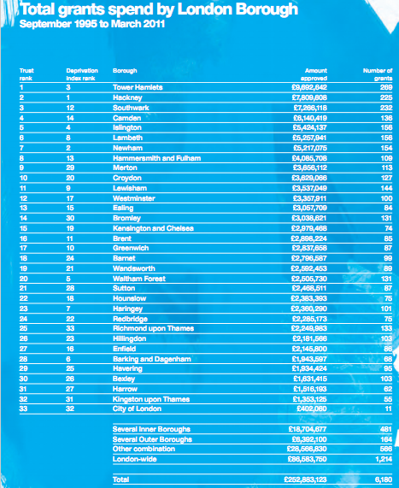
 |  | Total grant spend by London Borough
 |  | September 1995 - March 2011

 |  | Borough | Trust rank | Index rank | Number of grants | Amount approved (£)

 |  | Tower Hamlets | 1 | 3 | 269 | 9,692,642
 |  | Hackney | 2 | 2 | 225 | 7,809,608
 |  | Southwark | 3 | 12 | 232 | 7,266,118
 |  | Camden | 4 | 14 | 136 | 6,140,419
 |  | Islington | 5 | 4 | 156 | 5,424,137
 |  | Lambeth | 6 | 8 | 156 | 5,257,941
 |  | Newham | 7 | 2 | 154 | 5,217,075
 |  | Hammersmith and Fulham | 8 | 13 | 109 | 4,085,708
 |  | Merton | 9 | 29 | 113 | 3,656,112
 |  | Croydon | 10 | 20 | 127 | 3,629,066
 |  | Lewisham | 11 | 9 | 144 | 3,537,049
 |  | Westminster | 12 | 17 | 100 | 3,357,911
 |  | Ealing | 13 | 15 | 84 | 3,057,709
 |  | Bromley | 14 | 30 | 131 | 3,038,621
 |  | Kensington and Chelsea | 15 | 19 | 74 | 2,979,468
 |  | Brent | 16 | 11 | 85 | 2,898,224
 |  | Greenwich | 17 | 10 | 87 | 2,837,658
 |  | Barnet | 18 | 24 | 99 | 2,796,587
 |  | Wandsworth | 19 | 21 | 89 | 2,592,453
 |  | Waltham Forest | 20 | 5 | 131 | 2,505,730
 |  | Sutton | 21 | 28 | 87 | 2,468,511
 |  | Hounslow | 22 | 18 | 75 | 2,383,393
 |  | Haringey | 23 | 7 | 101 | 2,360,290
 |  | Redbridge | 24 | 22 | 75 | 2,285,173
 |  | Rechmond upon Thames | 25 | 33 | 133 | 2,249,983
 |  | Hullingdon | 26 | 23 | 103 | 2,181,566
 |  | Enfield | 27 | 16 | 86 | 2,145,800
 |  | Barking and Dagenham | 28 | 6 | 68 | 1,943,597
 |  | Havering | 29 | 25 | 95 | 1,934,424
 |  | Bexley | 30 | 26 | 103 | 1,631,415
 |  | Harrow | 31 | 27 | 62 | 1,516,193
 |  | Kingston upon Thames | 32 | 31 | 55 | 1,353,125
 |  | City of London | 33 | 32 | 11 | 402,060

 |  | Several Additional Inner Bouroughs |  |  | 481 | 18,704,677
 |  | Several Additional Outer Boroughs |  |  | 164 | 6,392,100
 |  | Other |  |  | 566 | 28,566,830
 |  | London-wide |  |  | 1,214 | 86,583,750

 |  | Total |  |  | 6,180 | 252,883,123

END OF FILE

